GoMini_Bugs
ID | Titile | steps | Expected Result | Acual Result | screen shoot | Priority | Severity
BUG_01 | At book page , the book button is not enable | 1-Open App 2-choose Near Station "Tanta "Bank Fasel"" 3-Choose the arrival Station "Nasr City" 4-choose the time of trip "6 /10" 5-choose the time "13" 6-ckick in shows trips 7- choose the frist trip 8-open book page and try to clik in book button | the book button is clikable or enable | the book button is not clickable or not enable | 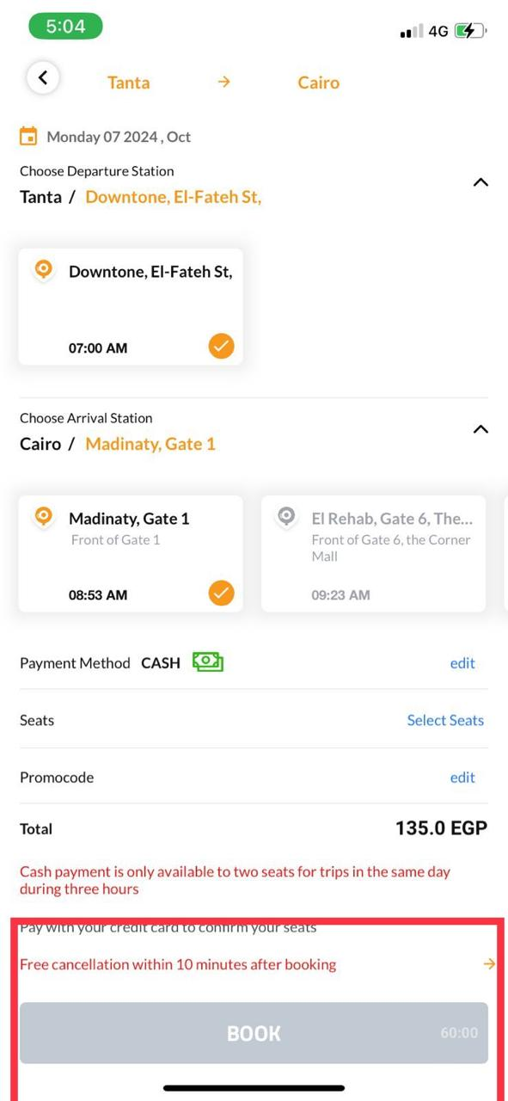 | Hight | Critical
BUG_02 | At Special trip Page , when i want choose the location using label in google map and clik the button no thing is happen | 1-Open App 2-choose " choose special trips" 3-Choose the type of car "22 seats" 4-choose the departure city "cairo" 5-choose the arrival city "Alex" 6-choose time "6/10" 7- click next button 8-click in add anthor depature point 9-choose mark address in map 10- click in confirm address | confirm the label location which I choose | confirm address button do not confirm address |  | low | minor
BUG_03 | At Special trip Page , when I click in book button do not book the trip | 1-Open App 2-choose " choose special trips" 3-Choose the type of car "22 seats" 4-choose the departure city "cairo" 5-choose the arrival city "Alex" 6-choose time "6/10" 7- click next button 8-click in Book Button | Book Trip | Book Button do not work correctly | 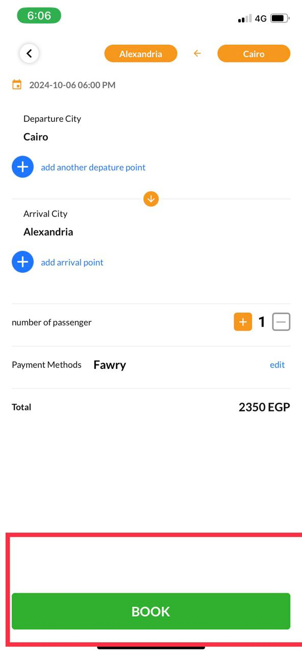 | Hight | Critical

